Sheet1
Model No.: 18-006-101
Ⅰ Genaral Technical Conditions
No. | Item | Specification
1 | Dimension | 8.5 x 8.5 x 3.4 mm (Terminal length 0.85mm)
2 | Lens barrel size | Φ5.5 mm
3 | Suitable sensor size | 1/3.06“
4 | Resolution | T.B.D.
5 | Maximum current | ≤ 105 mA
6 | Insulation resitance | ≥1MΩ DC50V 0.5S 0.05mA
7 | VCM weight | ≤1.0 g (Without lens)
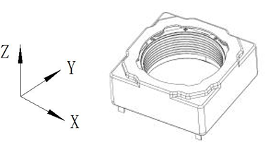
8 | Lens weight | ≤0.1 g
9 | Torsion | Screw free snap on lens
10 | Working conditions | Working temperature range | -30℃ ~+ 70℃
 |  | Working humidity ange | ≤90%
11 | Storage conditions | Storage temperature range | -40℃ ~+ 85℃
 |  | Storage humidity ange | ≤90%
12 | Coordinate syste
Ⅱ AF performace parameters
NO. | Item | Specification | Test condition
1 | Rated stroke | ≥220 µm | Input current: 95 mA Max.
2 | Start current | 30±10 mA | Control between 30~220 µm
3 | DC resistance | 22±3Ω
4 | Sensitivity | 5±2 µm/mA | Control between 30~220 µm
5 | Hysteresis accuracy | ≤10 µm | Control between 0~220 µm
6 | Dynamic Tilt | ≤ 12′ | In stroke range 0~220 µm
7 | Linearity | -10 ~10 µm | Control between 20~220 µm
8 | Posture diffrence | ≤50 µm
9 | AF Life | ≥300 000CS

