Sheet1
Model No.: 18-006-081
Ⅰ Genaral Technical Conditions
No. | Item | Specification
1 | Dimension | 7.86 x 8.56 x 2.90 mm
2 | Lens barrel size | Φ5.5 mm
3 | Suitable sensor size | T.B.D.
4 | Resolution | T.B.D.
5 | Maximum current | =H23
6 | Insulation resitance | ≥1MΩ DC50V 0.5S 0.05mA
7 | VCM weight | ≤1.5 g(Without lens)
8 | Lens weight | ≤0.07 g
9 | Torsion | Screw free snap on lens
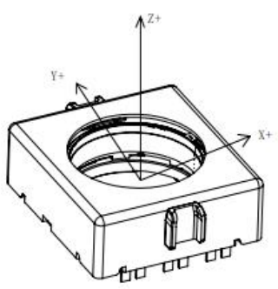
10 | Working conditions | Working temperature range | -25℃ ~+ 65℃
 |  | Working humidity ange | ≤90%
11 | Storage conditions | Storage temperature range | -40 ~+ 80℃
 |  | Storage humidity ange | ≤90%
12 | Coordinate syste
Ⅱ AF performace parameters
NO. | Item | Specification | Test condition
1 | Rated stroke | Positive rated stroke: ≥100 µm | Input current: -70~100 mA
 |  | Nagitive rated stroke: ≥50 µm
2 | AF Mechanical stroke | Positive Mechanical stroke: ≥100 µm
 |  | Nagitive Mechanical stroke: ≥50 µm
3 | DC resistance | 15±3Ω
4 | Sensitivity | 0.35~2.35µm/mA | Control between -30~80 µm
5 | Hysteresis accuracy | ≤10 µm | Control between -30~80 µm
6 | Dynamic Tilt | ≤ 12′ | In stroke range -30~80 µm
7 | Linearity | ≤12 µm | Control between -30~80 µm
8 | Posture diffrence | ≤50 µm
9 | AF Life | ≥300 000CS
Ⅲ OIS performance parameters
NO. | Item | Specification | Test condition
1 | Rated stroke | Positive rated stroke: ≥70 µm | Input current: -100~100 mA
 |  | Nagitive rated stroke: ≥70 µm
2 | AF Mechanical stroke | Positive Mechanical stroke: ≥130 µm
 |  | Nagitive Mechanical stroke: ≥130 µm
3 | Sensitivity | 1~3 µm/mA | Control between -70~70 µm
4 | Hysteresis accuracy | ≤15 µm | Control between -70~70 µm
5 | Dynamic Tilt | ≤ 12′ | In stroke range -70~70 µm
6 | OIS Linearity | ≤10 µm | Control between -70~70 µm
7 | DC resistance of OIS coil | 21±3 Ω
8 | OIS Crosstalk | ≥20 dB
9 | OIS Life | ≥300 000 CS

